Sheet1
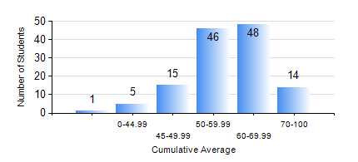
 |  |  | KWAME NKRUMAH UNIVERSITY OF SCIENCE AND TECHNOLOGY, KUMASI Department of Materials Engineering

 |  |  | BSC. MATERIALS ENG.

 |  |  | COMPREHENSIVE RECORD OF EXAMINATION RESULTS

 |  |  | RESULTS OF YEAR 2 SECOND SEMESTER, 2022/2023 ACADEMIC YEAR

 | Sn | Course Code |  | Course Name | Credit Hours | Min. Mark | Max. Mark | Avg. Mark | Std. Dev. | No. Passed | No. Trailed | No. (Df) | No. (I) | No. (I*) | No. Tagged(I,I*,Df) | Total
 | 0. |  |  |  |  |  |  | 0 | 0 | 0 | 0 | 0 | 0 | 0 | 0 | 5
 | 1. | MATH 252 |  | CALCULUS WITH SEVERAL VARIABLES | 4 | 0 | 97 | 65 | 13.69 | 121 | 2 | 0 | 0 | 0 | 1 | 124
 | 2. | MSE 252 |  | HEAT AND MASS TRANSPORT | 3 | 0 | 87 | 56 | 12.21 | 117 | 5 | 1 | 1 | 0 | 2 | 124
 | 3. | MSE 254 |  | MATERIALS PROCESSING | 3 | 11 | 87 | 60 | 14.76 | 115 | 9 | 0 | 0 | 0 | 0 | 124
 | 4. | MSE 256 |  | ENVIRONMENTAL SCIENCE | 2 | 0 | 75 | 56 | 11.13 | 122 | 2 | 0 | 0 | 0 | 0 | 124
 | 5. | MSE 258 |  | PHYSICAL METALLURGY OF NON-FERROUS METALS | 2 | 1 | 80 | 59 | 11.16 | 122 | 2 | 0 | 0 | 0 | 0 | 124
 | 6. | MSE 260 |  | PHASE TRANSFORMATIONS | 2 | 22 | 99 | 56 | 16.9 | 101 | 20 | 3 | 0 | 0 | 3 | 124
 | 7. | MSE 262 |  | COMPUTER PROGRAMMING AND APPLICATIONS | 2 | 2 | 82 | 59 | 12.6 | 121 | 3 | 0 | 0 | 0 | 0 | 124

